ALL
 | ADL - Anti-Semitic Incidents | FBI - Anti-Semitic incidents | NCVS - Hate crimes
1990 | 1691.0616555
1991 | 1884.0007093
1992 | 1737.9664874
1993 | 1873.1245384
1994 | 2062.2201334
1995 | 1850.674951
1996 | 1723.9010634 | 1109
1997 | 1574.0061668 | 1087
1998 | 1616.723221 | 1081
1999 | 1551.5651873 | 1109
2000 | 1601.9691594 | 1109
2001 | 1436.6832112 | 1043
2002 | 1559 | 931
2003 | 1557 | 927
2004 | 1821 | 954 | 281670
2005 | 1757 | 848 | 223060
2006 | 1554 | 967 | 230490
2007 | 1460 | 969 | 263440
2008 | 1352 | 1013 | 266640
2009 | 1211 | 931 | 284620
2010 | 1239 | 887 | 273100
2011 | 1121 | 771 | 218010
2012 | 927 | 674 | 293790
2013 | 751 | 625 | 272420
2014 | 912 | 609 | 215010
2015 | 942 | 664 | 207880
2016 | 1267 | 684 | 196769
2017 | 1986 | 938 | 194662
2018 | 1879
Year | ADL - Anti-Semitic Incidents | NCVS - Hate crimes | FBI - Hate crime incidents | FBI - Anti-Semitic incidents
1990 | 1691.0616555
1991 | 1884.0007093
1992 | 1737.9664874
1993 | 1873.1245384
1994 | 2062.2201334
1995 | 1850.674951
1996 | 1723.9010634 |  | 8,759 | 1109
1997 | 1574 |  | 8049 | 1,087
1998 | 1617 |  | 7,755 | 1,081
1999 | 1552 |  | 7,876 | 1,109
2000 | 1602 |  | 8,063 | 1,109
2001 | 1437 |  | 9,730 | 1,043
2002 | 1559 |  | 7,462 | 931
2003 | 1557 |  | 7,489 | 927
2004 | 1821 | 281,670 | 7,649 | 954
2005 | 1757 | 223,060 | 7,163 | 848
2006 | 1554 | 230,490 | 7,722 | 967
2007 | 1460 | 263,440 | 7,624 | 969
2008 | 1352 | 266,640 | 7,783 | 1,013
2009 | 1211 | 284,620 | 6,604 | 931
2010 | 1239 | 273,100 | 6,628 | 887
2011 | 1121 | 218,010 | 6,222 | 771
2012 | 927 | 293,790 | 5,796 | 674
2013 | 751 | 272,420 | 5,928 | 625
2014 | 912 | 215,010 | 5,479 | 609
2015 | 942 | 207,880 | 5,850 | 664
2016 | 1267 | 196,769 | 6,121 | 684
2017 | 1986 | 194,662 | 7,175 | 938
2018 | 1879
2019

ADL
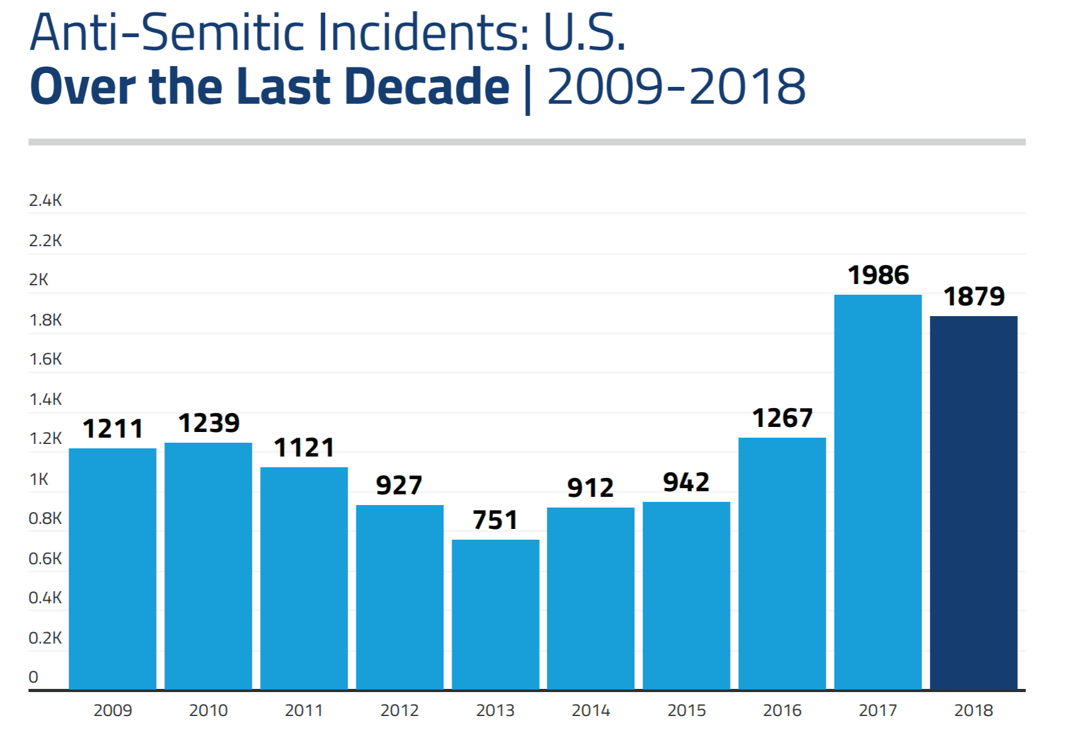
 |  |  |  |  |  |  |  |  |  | https://www.adl.org/sites/default/files/documents/assets/pdf/press-center/2012-audit-of-anti-semitic-incidents.pdf

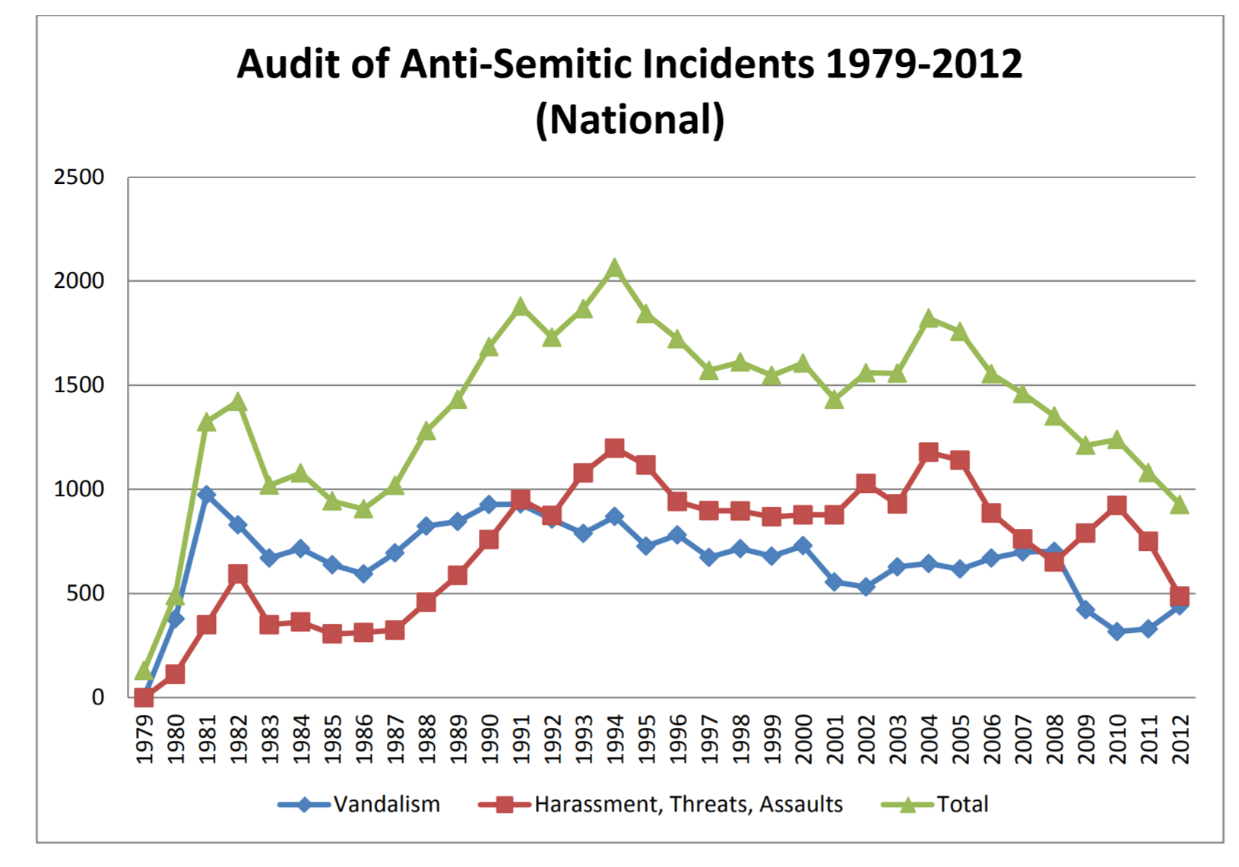
 |  |  |  |  |  |  |  |  |  |  |  |  |  |  |  |  |  |  |  |  |  | 1978.9630024 | 1979 | 123.42108299
 |  |  |  |  |  |  |  |  |  |  |  |  |  |  |  |  |  |  |  |  |  | 1979.9835383 | 1980 | 482.00761978
 |  |  |  |  |  |  |  |  |  |  |  |  |  |  |  |  |  |  |  |  |  | 1980.9479323 | 1981 | 1322.0852981
 |  |  |  |  |  |  |  |  |  |  |  |  |  |  |  |  |  |  |  |  |  | 1981.971151 | 1982 | 1418.7312884
 |  |  |  |  |  |  |  |  |  |  |  |  |  |  |  |  |  |  |  |  |  | 1982.9737751 | 1983 | 1026.1561796
 |  |  |  |  |  |  |  |  |  |  |  |  |  |  |  |  |  |  |  |  |  | 1983.9718227 | 1984 | 1080.4208265
 |  |  |  |  |  |  |  |  |  |  |  |  |  |  |  |  |  |  |  |  |  | 1985.0229742 | 1985 | 949.80348003
 |  |  |  |  |  |  |  |  |  |  |  |  |  |  |  |  |  |  |  |  |  | 1985.9708768 | 1986 | 900.04510577
 |  |  |  |  |  |  |  |  |  |  |  |  |  |  |  |  |  |  |  |  |  | 1986.9682142 | 1987 | 1023.6469561
 |  |  |  |  |  |  |  |  |  |  |  |  |  |  |  |  |  |  |  |  |  | 1987.9898153 | 1988 | 1278.2276877
 |  |  |  |  |  |  |  |  |  |  |  |  |  |  |  |  |  |  |  |  |  | 1989.0124817 | 1989 | 1428.8026141
 |  |  |  |  |  |  |  |  |  |  |  |  |  |  |  |  |  |  |  |  |  | 1989.9571885 | 1990 | 1691.0616555
 |  |  |  |  |  |  |  |  |  |  |  |  |  |  |  |  |  |  |  |  |  | 1990.9538158 | 1991 | 1884.0007093
 |  |  |  |  |  |  |  |  |  |  |  |  |  |  |  |  |  |  |  |  |  | 1991.9795201 | 1992 | 1737.9664874
 |  |  |  |  |  |  |  |  |  |  |  |  |  |  |  |  |  |  |  |  |  | 1992.9767391 | 1993 | 1873.1245384
 |  |  |  |  |  |  |  |  |  |  |  |  |  |  |  |  |  |  |  |  |  | 1993.9990109 | 1994 | 2062.2201334
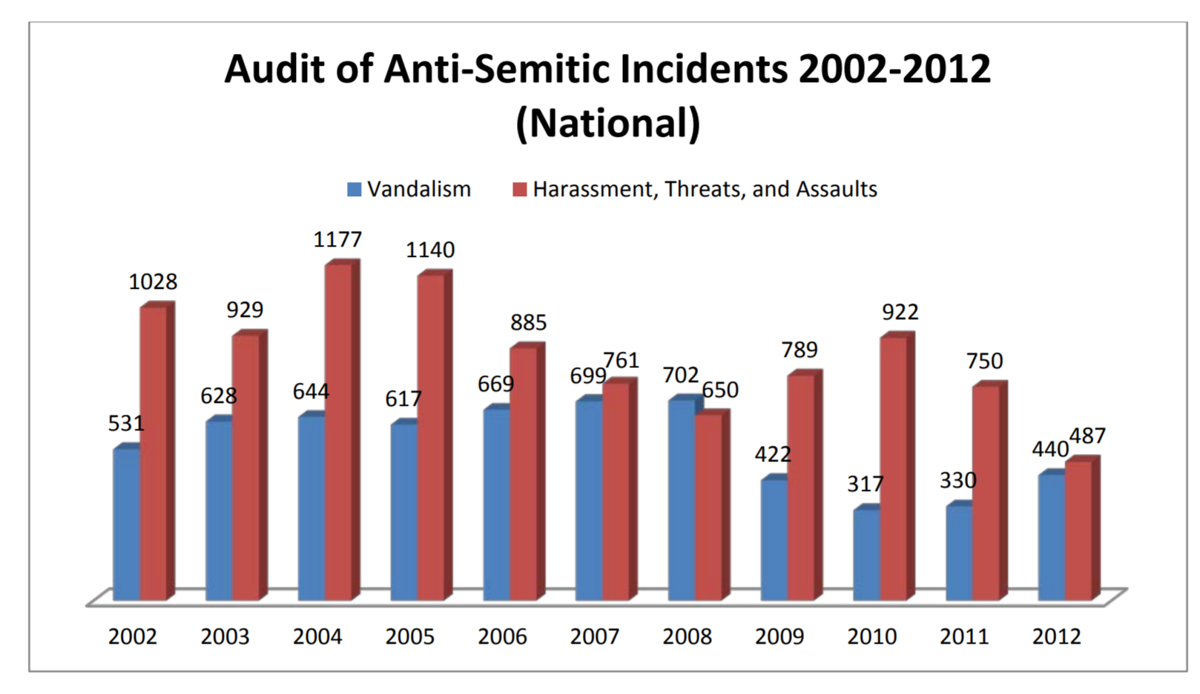
 |  |  |  |  |  |  |  |  |  |  |  |  |  |  |  |  |  |  |  |  |  | 1994.9485705 | 1995 | 1850.674951
 |  |  |  |  |  |  |  |  |  |  |  |  |  |  |  |  |  |  |  |  |  | 1995.9740775 | 1996 | 1723.9010634
 |  |  |  |  |  |  |  |  |  |  |  |  |  |  |  |  |  |  |  |  |  | 1996.9742161 | 1997 | 1574.0061668
 |  |  |  |  |  |  |  |  |  |  |  |  |  |  |  |  |  |  |  |  |  | 1997.9979872 | 1998 | 1616.723221
 |  |  |  |  |  |  |  |  |  |  |  |  |  |  |  |  |  |  |  |  |  | 1998.9716527 | 1999 | 1551.5651873
 |  |  |  |  |  |  |  |  |  |  |  |  |  |  |  |  |  |  |  |  |  | 1999.9441346 | 2000 | 1601.9691594
 |  |  |  |  |  |  |  |  |  |  |  |  |  |  |  |  |  |  |  |  |  | 2000.9956412 | 2001 | 1436.6832112
 |  |  |  |  |  |  |  |  |  |  |  |  |  |  |  |  |  |  |  |  |  | 2001.9417684 | 2002 | 1560.2678456
 |  |  |  |  |  |  |  |  |  |  |  |  |  |  |  |  |  |  |  |  |  | 2002.991618 | 2003 | 1556.7687056
 |  |  |  |  |  |  |  |  |  |  |  |  |  |  |  |  |  |  |  |  |  | 2003.9618116 | 2004 | 1830.5925555
1211 | 1239 | 1121 | 927 | 751 | 912 | 942 | 1267 | 1986 | 1879 |  |  |  |  |  |  |  |  |  |  |  |  | 2004.9867268 | 2005 | 1761.5996708
 |  |  |  |  |  |  |  |  |  |  |  |  |  |  |  |  |  |  |  |  |  | 2005.9874177 | 2006 | 1557.7758381
 |  |  |  |  |  |  |  |  |  |  |  |  |  |  |  |  |  |  |  |  |  | 2006.9870434 | 2007 | 1457.9578106
 |  |  |  |  |  |  |  |  |  |  |  |  |  |  |  |  |  |  |  |  |  | 2007.9866297 | 2008 | 1361.99185
 |  |  |  |  |  |  |  |  |  |  |  |  |  |  |  |  |  |  |  |  |  | 2008.9866499 | 2009 | 1223.6531539
 |  |  |  |  |  |  |  |  |  |  |  |  |  |  |  |  |  |  |  |  |  | 2009.9850131 | 2010 | 1247.1012659
 |  |  |  |  |  |  |  |  |  |  |  |  |  |  |  |  |  |  |  |  |  | 2011.0108752 | 2011 | 1085.6587766
 |  |  |  |  |  |  |  |  |  |  |  |  |  |  |  |  |  |  |  |  |  | 2011.9854481 | 2012 | 931.90320509

2,066 incidents reached in 1994

 |  |  |  |  |  |  |  |  |  | property | 531 | 628 | 644 | 617 | 669 | 699 | 702 | 422 | 317 | 330 | 440
 |  |  |  |  |  |  |  |  |  | persons | 1028 | 929 | 1177 | 1140 | 885 | 761 | 650 | 789 | 922 | 750 | 487
 |  |  |  |  |  |  |  |  |  | total | 1559 | 1557 | 1821 | 1757 | 1554 | 1460 | 1352 | 1211 | 1239 | 1080 | 927

FBI
Year | FBI - Hate crime incidents | FBI - AntiJewish incidents
1996 | 8,759 | 1109 | https://ucr.fbi.gov/hate-crime/1996
1997 | 8049 | 1,087 | https://ucr.fbi.gov/hate-crime/1997 | Compare with
1998 | 7,755 | 1,081 | https://ucr.fbi.gov/hate-crime/1998
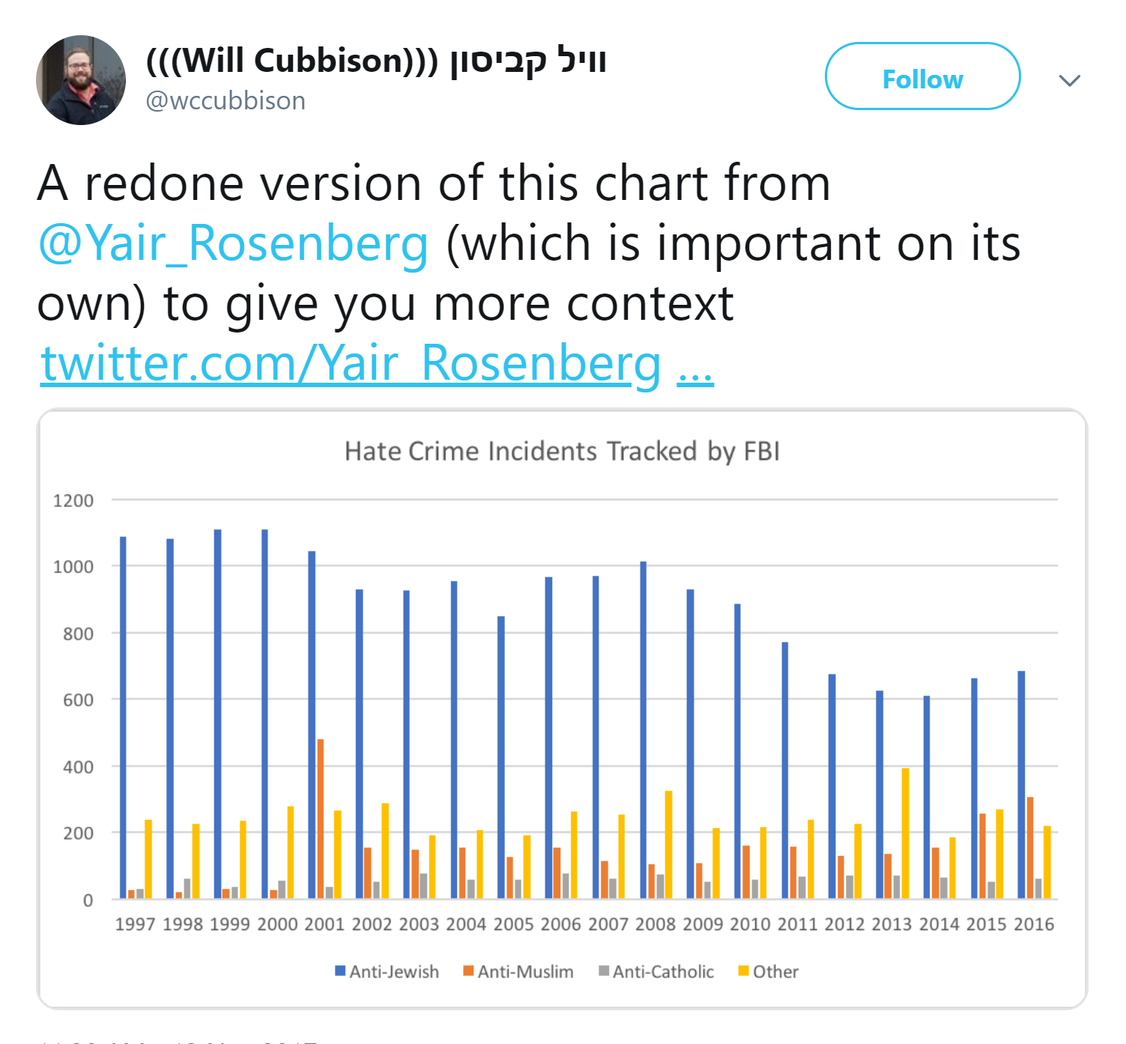
1999 | 7,876 | 1,109 | https://ucr.fbi.gov/hate-crime/1999
2000 | 8,063 | 1,109 | https://ucr.fbi.gov/hate-crime/2000
2001 | 9,730 | 1,043 | https://ucr.fbi.gov/hate-crime/2001
2002 | 7,462 | 931 | https://ucr.fbi.gov/hate-crime/2002
2003 | 7,489 | 927 | https://ucr.fbi.gov/hate-crime/2003
2004 | 7,649 | 954 | https://www2.fbi.gov/ucr/hc2004/hctable1.htm
2005 | 7,163 | 848 | https://www2.fbi.gov/ucr/hc2005/table1.htm
2006 | 7,722 | 967 | https://www2.fbi.gov/ucr/hc2006/table1.html
2007 | 7,624 | 969 | https://www2.fbi.gov/ucr/hc2007/table_01.htm
2008 | 7,783 | 1,013 | https://www2.fbi.gov/ucr/hc2008/data/table_01.html
2009 | 6,604 | 931 | https://www2.fbi.gov/ucr/hc2009/data/table_01.html
2010 | 6,628 | 887 | https://ucr.fbi.gov/hate-crime/2010/tables/table-1-incidents-offenses-victims-and-known-offenders-by-bias-motivation-2010.xls
2011 | 6,222 | 771 | https://ucr.fbi.gov/hate-crime/2011/tables/table-1
2012 | 5,796 | 674 | https://ucr.fbi.gov/hate-crime/2012/tables-and-data-declarations/1tabledatadecpdf/table_1_incidents_offenses_victims_and_known_offenders_by_bias_motivation_2012.xls
2013 | 5,928 | 625 | https://ucr.fbi.gov/hate-crime/2013/tables/1tabledatadecpdf/table_1_incidents_offenses_victims_and_known_offenders_by_bias_motivation_2013.xls
2014 | 5,479 | 609 | https://ucr.fbi.gov/hate-crime/2014/tables/table-1
2015 | 5,850 | 664 | https://ucr.fbi.gov/hate-crime/2015/tables-and-data-declarations/1tabledatadecpdf
2016 | 6,121 | 684 | https://ucr.fbi.gov/hate-crime/2016/tables/table-1
2017 | 7,175 | 938 | https://ucr.fbi.gov/hate-crime/2017/topic-pages/tables/table-1.xls

NCVS
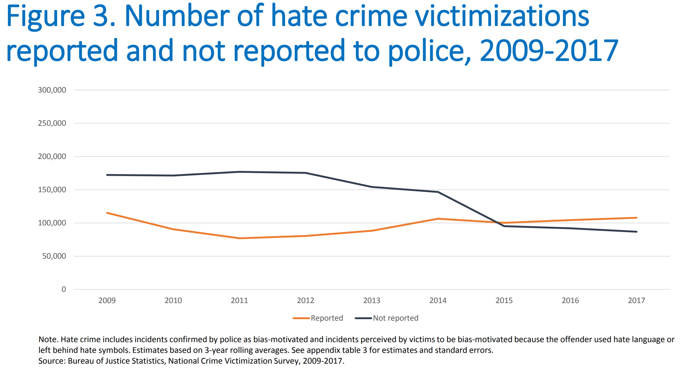
Table 1. Hate crime victimizations, 2004–2015
 | Total
 | Number
Year |  | Reported | NotReported | Summed
2004* | 281,670 |  |  | *Comparison group. (reference year?)
2005 | 223,060
2006 | 230,490
2007 | 263,440
2008 | 266,640
2009 | 284,620
2010 | 273,100
2011 | 218,010
2012 | 293,790
2013 | 272,420
2014 | 215,010
2015 | 207,880 | 100280 | 95224 | 195504
2016 | 196769 | 104494 | 92275 | 196769
2017 | 194662 | 107865 | 86797 | 194662

 | Reported
 | 2015.0127118644068, 100280.8988764045
 | 2016.008474576271, 104494.38202247192
 | 2017.008474576271, 107865.16853932582

 | Not reported
 | 2015.008474576271, 95224.71910112357
 | 2015.9957627118645, 92275.28089887637
 | 2017.008474576271, 86797.7528089888

